Air Quality
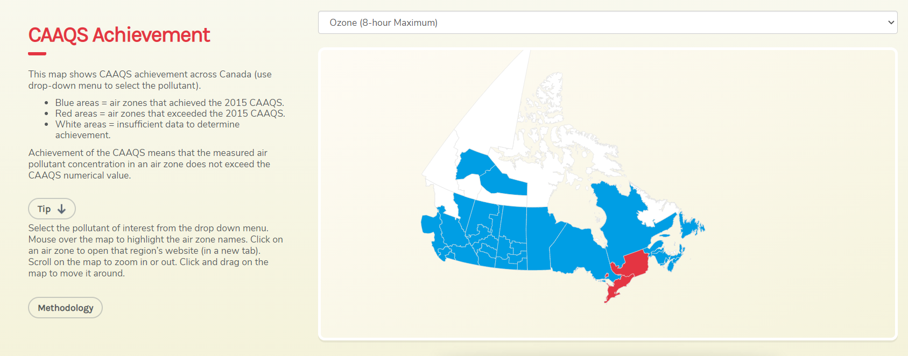
Note: According to the Canadian Council of Ministers of the Environment (CCME) State of the Air Report, only 2 provinces (Quebec & Ontario) had air sheds that exceeded the Canadian Ambient Air Quality Standards (CAAQS) for O3 (see map below) [Source: http://airquality-qualitedelair.ccme.ca/en/, accessed 10/30/20]

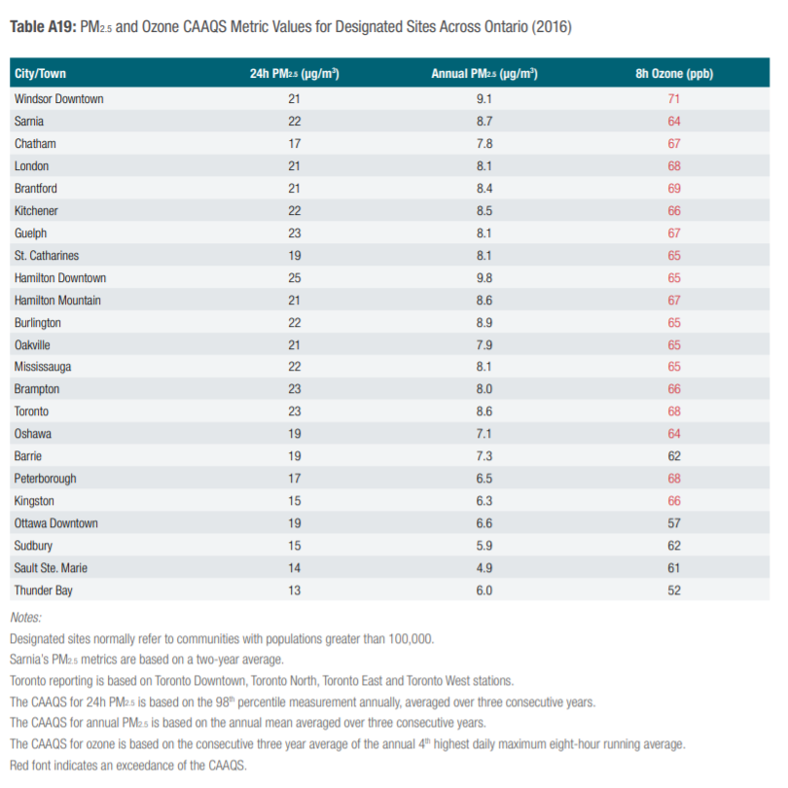
ONTARIO
City/Town Exceeding CAAQS for Ozone | 8h Ozone (ppb) - 2016 | City/Town Population
Source: Air Quality in Ontario Report & Appendix (2016) |  | 2016 Census
Windsor Downtown | 71 | 287,069
Sarnia | 64 | 72,125
Chatham | 67 | 43,550
London | 68 | 383,437
Brantford | 69 | 98,179
Kitchener | 66 | 470,015
Guelph | 67 | 132,397
St. Catharines | 65 | 229,246
Hamilton Downtown | 65 | 693,645
Hamilton Mountain | 67
Burlington | 65
Oakville | 65
Mississauga | 65
Brampton | 66
Toronto | 68 | 5,429,524
Oshawa | 64 | 308,875
Peterborough | 68 | 82,094
Kingston | 66 | 117,660
TOTAL |  | 8,347,816

QUEBEC
City/Town Exceeding CAAQS for Ozone | 8h Ozone (ppb) - 2016 | City/Town Population
Source: Revue de la qualité de l'air au Québec (2016)
In the 2016 report (MELCC, 2019g), the NCQAAs for O3 and 24-hour PM2.5 were met across all stations. // Dans le rapport de 2016 (MELCC, 2019g), les NCQAA pour l’O3 et pour les PM2,5 sur 24 heures étaient respectées dans l’ensemble des stations.
N/A |  | N/A

