User Guide
Medium Duty Battery Electric Vehicle TCO Calculator User Guide
Version 042819R replaces Version 042119Q as of 4/28/2019 - See Change History at bottom of User Guide

This Total Cost of Ownership (TCO) calculator is intended to allow users to compare a choice between investing in a diesel/gasolineinternal combustion engined (ICE) truck versus investing in a comparable commercial battery electric vehcle (CBEV). It is assumed that a fleet user will have an idea of their current values for their existing ICE vehicles, such as annual maintenance, fuel economy, insurance, etc. It is expected that the fleet user has estimates for buying a current ICE vehicle such as manufacturer's suggested retail price, value of any trade in, other incentives, etc.

Duty cycles have been adapted by NACFE from the National Renewable Energy Laboratory's Fleet DNA database along with additional insights from Argonne National Laboratory. Users may review these representative duty cycles in the Excel tab labelled Duty Cycles. TheDuty Cycle tab permits the user to enter up to 5 of their own duty cycle information in rows reserved for their own use.

The TCO Calculator uses the Net Present Value (NPV) function in Excel to determine the NPV of each investment choice of equal time spans - the ICE vehicle and the competing electric one. Users unfamiliar with NPV can search in the Excel help file for an understanding or any of a number of business accounting text books or online sources. The NPV function evaluates a series of cash flows over several periods and using the time value of money, puts those cash flow streams as today's value for each investment path.

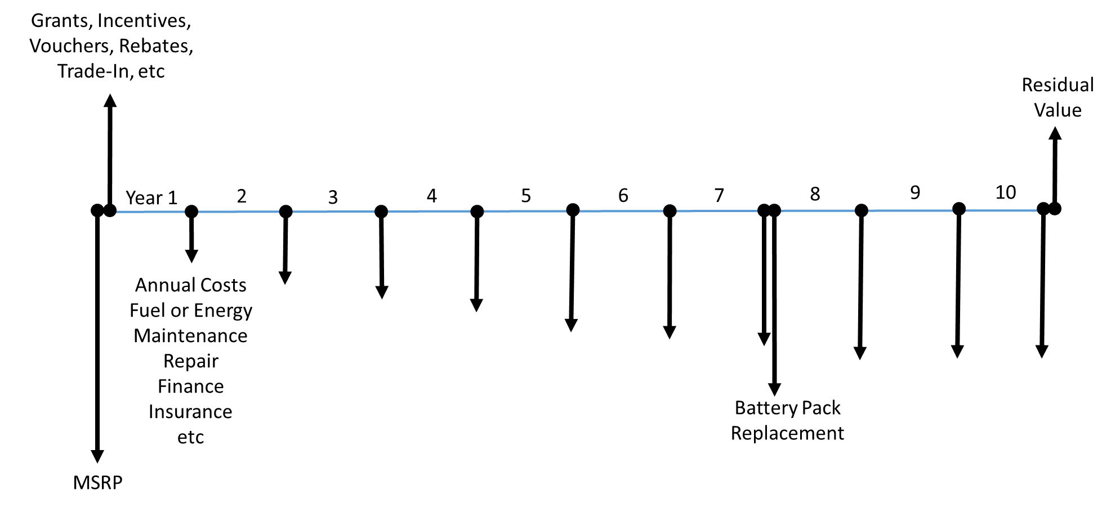 A common way of viewing this is using a cash flow diagram as shown here. Cash in-flows are postive and point up, cash outflows are negative and point down. Cash flows are represented by end of period values (so annual values). The initial purchase factors are shown at time period zero.

The user may edit values under the Excel tab labelled "TCO Calculator Inputs." The cells only permit entry within certain ranges. Error messages and instructions are included with each spreadsheet cell. Some cells are colored green - these are calculations and may not be changed. Some are shaded grey - these are pulling data from the Duty Cycles tab. Cells shaded in orange may be keyed in by the user. Permissible ranges are described next to the cell and where appropriate, NACFE has recommended a value.

Outputs are shown on the Excel spreadsheet tab labelled TCO Calculator Outputs. The NPV of the two investment comparisons are shown in green at the top of the page. The cash flows for each period for each investment are shown in detail in the lower part of the spreadsheet. There are no user modifeable spreadsheet cells on the Output tab.

NACFE is providing this TCO worksheet as a tool for evaluation. The choices on how trends are modelled are based on linear (straight line) changes over time, expressed as % per year changes. Clearly more sophisticated methods may be used with more complex curved projections or actual databases. Users are welcome to modify the NACFE TCO calculator for their own use. The tabs are protected by the keyword NACFE and users may unlock and edit as they wish. Changes made by end users are not the responsibility of NACFE nor do they represent NACFE. The original TCO calculator will stay under NACFE control on the NACFE.org website and may be updated in the future.

CHANGE HISTORY:
04/28/19 Change 1 - Correcting Electricity Costs Correct equations in TCO Calculator Outputs Row 30 Cell D30 and copy through to AG30 Change to =IF(CELL("type",D$27)="v",(-('TCO Calculator Inputs'!$E$16*'TCO Calculator Inputs'!$E$35)*(('TCO Calculator Inputs'!$E$45)*(1+'TCO Calculator Inputs'!$E$46)^D$27))*'TCO Calculator Inputs'!$E$20,"") Change from =IF(CELL("type",D$27)="v",(-('TCO Calculator Inputs'!$E$16/'TCO Calculator Inputs'!$E$35)*(('TCO Calculator Inputs'!$E$45)*(1+'TCO Calculator Inputs'!$E$46)^D$27))*'TCO Calculator Inputs'!$E$20,"")
04/21/19 Change 1 - Correcting interest cost for the baseline diesel Correct equations in TCO Calculator Outputs Row 22 Cell D22 and copy through to AG22 Change to =IF('TCO Calculator Inputs'!$E$68=2,IF(CELL("type",D$27)="v",(D$21+'TCO Calculator Inputs'!$E$24*('TCO Calculator Inputs'!$E$22-'TCO Calculator Inputs'!$E$23))*'TCO Calculator Inputs'!$E$69,""),"") Change from =IF('TCO Calculator Inputs'!$E$68=2,IF(CELL("type",D$27)="v",(D$49+'TCO Calculator Inputs'!$E$24*('TCO Calculator Inputs'!$E$22-'TCO Calculator Inputs'!$E$23))*'TCO Calculator Inputs'!$E$69,""),"")
04/21/19 Change 2 - Correcting baseline downpayment for number of vehicles in project Correct equations in TCO Calculator Outputs Row 20 Cell C20 Change to =IF('TCO Calculator Inputs'!$E$68=1,"",IF(CELL("type",C$27)="v",-('TCO Calculator Inputs'!$E$70*('TCO Calculator Inputs'!$E$22-'TCO Calculator Inputs'!E23))*'TCO Calculator Inputs'!$E$20,"")) Change from =IF('TCO Calculator Inputs'!$E$68=1,"",IF(CELL("type",C$27)="v",-('TCO Calculator Inputs'!$E$70*('TCO Calculator Inputs'!$E$22-'TCO Calculator Inputs'!E23)),""))
04/21/19 Change 3 - Correcting baseline capitalized cost of lease for number of vehicles in project Correct equations in TCO Calculator Outputs Row 21 Cell D21 and copy through to AG21 Change to =IF('TCO Calculator Inputs'!$E$68=2,IF(CELL("type",D$11)="v",IF('TCO Calculator Inputs'!$E$70=1,"",(-((1-'TCO Calculator Inputs'!$E$70-'TCO Calculator Inputs'!$E$24)*('TCO Calculator Inputs'!$E$22-'TCO Calculator Inputs'!$E$23)/'TCO Calculator Inputs'!$E$19)*'TCO Calculator Inputs'!$E$20)),""),"") Change from =IF('TCO Calculator Inputs'!$E$68=2,IF(CELL("type",D$11)="v",IF('TCO Calculator Inputs'!$E$70=1,"",(-((1-'TCO Calculator Inputs'!$E$70-'TCO Calculator Inputs'!$E$24)*('TCO Calculator Inputs'!$E$22-'TCO Calculator Inputs'!$E$23)/'TCO Calculator Inputs'!$E$19))),""),"")
04/21/19 Change 4 - Correcting baseline loan payment for number of vehicles in project Correct equations in TCO Calculator Outputs Row 23 Cell D23 and copy through to AG23 Change to =IF('TCO Calculator Inputs'!$E$68=3,IF(CELL("type",D$27)="v",PMT('TCO Calculator Inputs'!$E$69,'TCO Calculator Inputs'!$E$19,('TCO Calculator Inputs'!$E$22-'TCO Calculator Inputs'!$E$23)*(1-'TCO Calculator Inputs'!$E$70),0,0)*'TCO Calculator Inputs'!$E$20,""),"") Change from =IF('TCO Calculator Inputs'!$E$68=3,IF(CELL("type",D$27)="v",PMT('TCO Calculator Inputs'!$E$69,'TCO Calculator Inputs'!$E$19,('TCO Calculator Inputs'!$E$22-'TCO Calculator Inputs'!$E$23)*(1-'TCO Calculator Inputs'!$E$70),0,0),""),"")
04/21/19 Change 5 - Correcting CBEV downpayment for number of vehicles in project Correct equations in TCO Calculator Outputs Row 48 Cell C48 Change to =IF('TCO Calculator Inputs'!$E$68=1,"",IF(CELL("type",C$27)="v",-('TCO Calculator Inputs'!$E$70*('TCO Calculator Inputs'!$E$49-'TCO Calculator Inputs'!E50))*'TCO Calculator Inputs'!$E$20,"")) Change from =IF('TCO Calculator Inputs'!$E$68=1,"",IF(CELL("type",C$27)="v",-('TCO Calculator Inputs'!$E$70*('TCO Calculator Inputs'!$E$49-'TCO Calculator Inputs'!E50)),""))
04/21/19 Change 6 - Correcting CBEV capitalized cost of lease for number of vehicles in project Correct equations in TCO Calculator Outputs Row 49 Cell D49 and copy through to AG49 Change to =IF('TCO Calculator Inputs'!$E$68=2,IF(CELL("type",D$27)="v",IF('TCO Calculator Inputs'!$E$70=1,"",(-((1-'TCO Calculator Inputs'!$E$70-'TCO Calculator Inputs'!$E$51)*'TCO Calculator Inputs'!$E$49/'TCO Calculator Inputs'!$E$19)*'TCO Calculator Inputs'!$E$20)),""),"") Change from =IF('TCO Calculator Inputs'!$E$68=2,IF(CELL("type",D$27)="v",IF('TCO Calculator Inputs'!$E$70=1,"",(-((1-'TCO Calculator Inputs'!$E$70-'TCO Calculator Inputs'!$E$51)*'TCO Calculator Inputs'!$E$49/'TCO Calculator Inputs'!$E$19))),""),"")
04/21/19 Change 7 - Correcting CBEV loan payment for number of vehicles in project Correct equations in TCO Calculator Outputs Row 51 Cell D51 and copy through to AG51 Change to =IF('TCO Calculator Inputs'!$E$68=3,IF(CELL("type",D$27)="v",PMT('TCO Calculator Inputs'!$E$69,'TCO Calculator Inputs'!$E$19,('TCO Calculator Inputs'!$E$49-'TCO Calculator Inputs'!$E$50)*(1-'TCO Calculator Inputs'!$E$70),0,0)*'TCO Calculator Inputs'!$E$20,""),"") Change from =IF('TCO Calculator Inputs'!$E$68=3,IF(CELL("type",D$27)="v",PMT('TCO Calculator Inputs'!$E$69,'TCO Calculator Inputs'!$E$19,('TCO Calculator Inputs'!$E$49-'TCO Calculator Inputs'!$E$50)*(1-'TCO Calculator Inputs'!$E$70),0,0),""),"")
03/29/19 Change 1 - Correcting Maintenance math on electric vehicles Correct equations in TCO Calculator Outputs Row 31 Cell D31 and copy through AG31 Change to: =IF(CELL("type",D$27)="v",(D15*'TCO Calculator Inputs'!$E$52),"") Change from: =IF(CELL("type",D$27)="v",(D15*'TCO Calculator Inputs'!$E$52)*'TCO Calculator Inputs'!$E$20,"")
03/19/19 Change 1: Correct confusing text - edit text on tab 'TCO Calculator Inputs' Cell B52: Change to: ""Expected Annual Maintenance Cost (% of Baseline)" Change from: "Expected Annual Maintenance Cost Reduction (% of Baseline)"
03/19/19 Change 2: Correct confusing values - edit text in tab 'TCO Calculator Inputs' Cell F52 Change to: Between 0% to +1,000% of Baseline Maintenance Cost. Suggest 100% (same as baseline) Change from: Between -1,000% to +1,000% of Baseline Maintenance Cost. Suggest 100% (same as baseline)
03/19/19 Change 3: Correct cell reference - edit equations on tab "TCO Calculator Outputs" Cells D15 through AG15: Replace all occurrences of $E$24 with $E$26

