Template
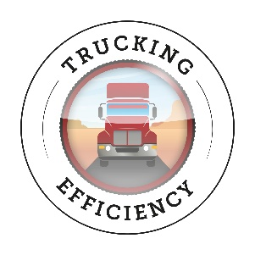
NACFE Study Payback Calculator: Trailer Aerodynamics Devices
Yellow boxes are for user inputs

Device(s) Name |  |  |  | Notes:
Number of Tractors | 1 | 1 | 1 | Can be used per tractor or for all in the fleet
Number of Trailers | 3 | 5 | 3

Miles per year per tractor | 100,000 | 100,000 | 100,000
Miles per year per trailer | 33,333 | 20,000 | 33,333

Benefits
Fuel Economy
Current fuel economy | 6.0 | 6.0 | 6.0
Gallons consumed per mile per trailer | 5,556 | 3,333 | 5,556
Fuel mpg improvement for device(s) | 3% | 3% | 3%

Gallons fuel saved per trailer with device | $166.67 | $100.00 | $166.67
Cost of fuel per gallon over time | $3.00 | $3.00 | $4.00
Fuel dollars saved per year per trailer | $500.00 | $300.00 | $666.67
Other specific benefits | $- | $- | $- | Includes any other benefits. E.g. Operating equipment in California, etc.
Total benefits per trailer | $500.00 | $300.00 | $666.67

Costs
Upfront Costs
Cost of Aero Device(s) | $700.00 | $700.00 | $700.00
Installation Labor (when not factory installed) | $50.00 | $50.00 | $50.00
Total Installed Cost | $750.00 | $750.00 | $750.00

Annual Costs
Mainenance costs with device | $25.00 | $25.00 | $25.00
Other specific costs |  |  |  | Includes any other costs E.g. Driver retention or attraction issues
Total annual costs per trailer | $25.00 | $25.00 | $25.00

Payback in months | 18.9 | 32.7 | 14.0
Payback in trailer miles | 52,632 | 54,545 | 38,961

Dated: February 26, 2016
Notes:
© 2016 North American Council for Freight Efficiency. All rights reserved. The information contained herein is proprietary and confidential. It is for informational purposes only and does not constitute an endorsement of any product, service, industry practice, service provider, manufacturer, or manufacturing process. Nothing contained herein is intended to constitute legal, tax, or accounting advice and you rely on it at your own risk. No portion of this material may be copied, reproduced or distributed in any manner without the express written permission of the North American Council for Freight Efficiency.

