Sheet1
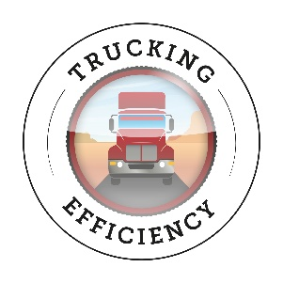
NACFE Study Payback Calculator: Low-Viscosity Lubricants

Annual Miles | 100,000 | miles | Current Annual Fuel Cost | $38,462 | per vehicle
Vehicle Oil Capacity | 40 | quarts | New Fuel Cost | $38,269 | per vehicle
Current MPG | 6.5 | MPG | Annual Fuel Savings | $192 | per vehicle
Fuel Cost | 2.50 | $/gal
Current Oil Cost | 2.50 | $/qt | Resulting New MPG | 6.53 | MPG
Oil Change Interval | 40,000 | miles
 |  |  | Current Annual Oil Cost | $250 | per vehicle
Assumed Fuel Consumption Improvement | 0.5% |  | New Oil Cost | $346 | per vehicle
Desired Return on Investment (ROI) | 100% |  | Oil Cost increase | $96 | per vehicle
Payback | 6 | months

Maximum Allowable Oil Cost Increase | 38%

Dated: June 21, 2016
Notes:
© 2016 North American Council for Freight Efficiency. All rights reserved. The information contained herein is proprietary and confidential. It is for informational purposes only and does not constitute an endorsement of any product, service, industry practice, service provider, manufacturer, or manufacturing process. Nothing contained herein is intended to constitute legal, tax, or accounting advice and you rely on it at your own risk. No portion of this material may be copied, reproduced or distributed in any manner without the express written permission of the North American Council for Freight Efficiency.

